Rev
REVISION HISTORY

MC
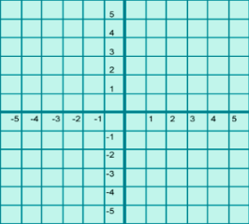 Mathematical Consulting, LLC.

This PARSHEET was created for GameCode SP z o o by Mathematical Consulting, LLC for this 8 Lucky Secrets Variant. Should anything be modified by any other party this changes the math and the math should be resubmitted to Mathematical Consulting, LLC for modification prior to submission to a test laboratory. This document is CONFIDENTIAL INFORMATION.

Revision History
Version | Date Modified | Details
0.0.0 | 2016-12-12 | Initial draft.
1.0.0 | 2017-08-27 | Reel Strips and Pays created. Manual & Theoretical Program used to generate Base Game line wins and scatters.
1.1.0 | 2017-08-28 | Added Simulated BG.
1.2.0 | 2017-08-30 | Validated Simulated BG & FG against Manual BG calculations.
1.3.0 | 2017-09-05 | Added Dice, Bonus, & Progressive.
2.0.0 | 2017-09-13 | Added FG expanding WILD.
3.0.0 | 2017-09-19 | Added Multipliers and Player Choice options and flags.
3.1.0 | 2017-09-20 | Added capping flags and updated output statistics.
3.2.0 | 2017-09-21 | Retrofitted document to align with format and size of output file contents.

TBD | TBD | Updated Reel Strips based on constraints provided by the Client.
TBD | TBD | Incorporate the Multipliers for Validation of the results.
TBD | TBD | Update Game Rules tab/worksheet.
TBD | TBD | FG Scatter accounting to be updated to reflect the appropriate answer - before we change the personality and replicate.

